data
x_axis | y_axis
2028 | 0.020114942529
2029 | 0.022988505747
2030 | 0.031609195402
2031 | 0.034482758621
2032 | 0.043103448276
2033 | 0.051724137931
2034 | 0.054597701149
2035 | 0.063218390805
2036 | 0.07183908046
2037 | 0.077586206897
2038 | 0.086206896552
2039 | 0.091954022989
2040 | 0.10057471264
2041 | 0.1091954023
2042 | 0.11781609195
2043 | 0.12643678161
2044 | 0.13505747126
2045 | 0.14367816092
2046 | 0.15229885057
2047 | 0.16091954023
2048 | 0.16666666667
2049 | 0.17528735632
2050 | 0.18390804598
2051 | 0.19252873563
2052 | 0.20689655172
2053 | 0.2183908046
2054 | 0.22413793103
2055 | 0.23275862069
2056 | 0.24137931034
2057 | 0.25287356322
2058 | 0.26149425287
2059 | 0.27298850575
2060 | 0.28448275862
2061 | 0.29597701149
2062 | 0.30747126437
2063 | 0.31896551724
2064 | 0.3275862069
2065 | 0.33908045977
2066 | 0.35344827586
2067 | 0.36494252874
2068 | 0.37643678161
2069 | 0.3908045977
2070 | 0.40229885057
2071 | 0.41954022989
2072 | 0.43103448276
2073 | 0.44540229885
2074 | 0.45689655172
2075 | 0.47413793103
2076 | 0.48850574713
2077 | 0.5
2078 | 0.51724137931
2079 | 0.5316091954
2080 | 0.54885057471
2081 | 0.5632183908
2082 | 0.58333333333
2083 | 0.60057471264
2084 | 0.62356321839
2085 | 0.63505747126
2086 | 0.65804597701
2087 | 0.66954022989
2088 | 0.68965517241
2089 | 0.70977011494
2090 | 0.72988505747
2091 | 0.75
2092 | 0.76724137931
2093 | 0.79022988506
2094 | 0.80747126437
2095 | 0.83333333333
2096 | 0.85057471264
2097 | 0.8591954023

picture
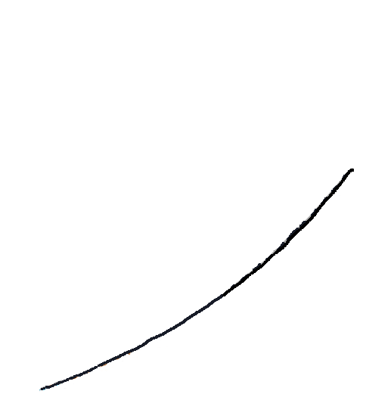

picture_original
